Sheet1
SKU | Product Name | Color | Size | Product Main Image | Qty & Location CA | Qty & Location NJ
TK060204061BK8 | Dual Straps EVA Women's Flip-flop | Black | 8 | 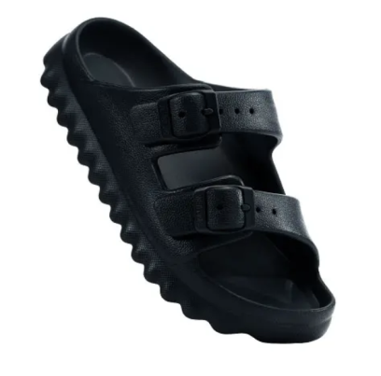 | 60
TK060204061BK9 |  |  | 9 |  | 121
TK060204061BK10 |  |  | 10 |  | 43
TK060204003BK6 | Padded EVA Women's Flip-flop | Black | 6 | 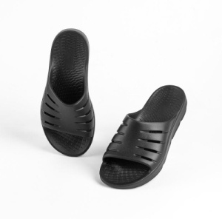 | 375 | 204
TK060204003BK7 |  |  | 7 |  | 375 | 266
TK060204003BK8 |  |  | 8 |  | 650 | 507
TK060204003BK9 |  |  | 9 |  | 680 | 503
TK060204003BK10 |  |  | 10 |  | 713 | 505
TK060204003BK11 |  |  | 11 |  | 660 | 381
TK060204003BK12 |  |  | 12 |  | 331 | 272
TK060204003WT6 | Padded EVA Women's Flip-flop | WHITE | 6 | 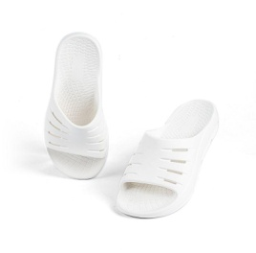 | 373 | 54
TK060204003WT7 |  |  | 7 |  | 89 | 428
TK060204003WT8 |  |  | 8 |  | 117 | 640
TK060204003WT9 |  |  | 9 |  |  | 740
TK060204003WT10 |  |  | 10 |  | 114 | 637
TK060204003WT11 |  |  | 11 |  | 621 | 26
TK060204003WT12 |  |  | 12 |  | 82 | 354
TK060204003GN6 | Padded EVA Women's Flip-flop | GREEN | 6 | 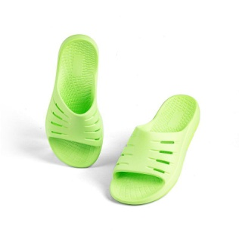 |  | 96
TK060204003GN7 |  |  | 7 |  |  | 151
TK060204003GN8 |  |  | 8 |  |  | 152
TK060204003GN9 |  |  | 9 |  |  | 158
TK060204003GN10 |  |  | 10 |  |  | 156
TK060204003GN11 |  |  | 11 |  |  | 154
TK060204003GN12 |  |  | 12 |  |  | 84
TK060204003PK6 | Padded EVA Women's Flip-flop | PINK | 6 | 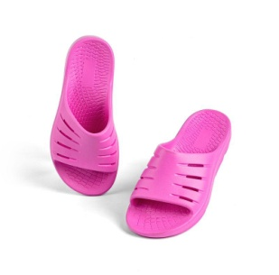 |  | 65
TK060204003PK7 |  |  | 7 |  |  | 146
TK060204003PK8 |  |  | 8 |  |  | 132
TK060204003PK9 |  |  | 9 |  |  | 136
TK060204003PK10 |  |  | 10 |  |  | 158
TK060204003PK11 |  |  | 11 |  |  | 150
TK060204003PK12 |  |  | 12 |  |  | 97
TK060204004BK6 | Straps EVA Women's Flip-flop | Black | 6 | 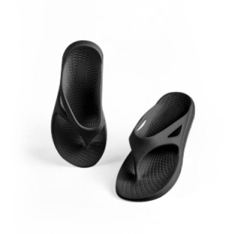 | 505 | 1
TK060204004BK7 |  |  | 7 |  | 446
TK060204004BK8 |  |  | 8 |  | 488 | 471
TK060204004BK9 |  |  | 9 |  | 615 | 481
TK060204004BK10 |  |  | 10 |  | 668 | 471
TK060204004BK11 |  |  | 11 |  | 302 | 716
TK060204004BK12 |  |  | 12 |  | 550 | 46
TK060204004WT6 | Straps EVA Women's Flip-flop | White | 6 | 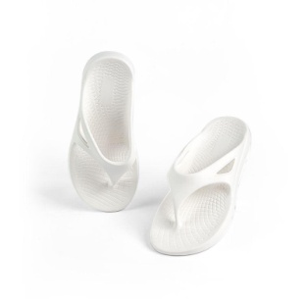 | 39 | 381
TK060204004WT7 |  |  | 7 |  | 59 | 406
TK060204004WT8 |  |  | 8 |  | 55 | 626
TK060204004WT9 |  |  | 9 |  | 394 | 338
TK060204004WT10 |  |  | 10 |  | 91 | 652
TK060204004WT11 |  |  | 11 |  | 217 | 425
TK060204004WT12 |  |  | 12 |  | 202 | 230
TK060204004GN6 | Straps EVA Women's Flip-flop | Green | 6 | 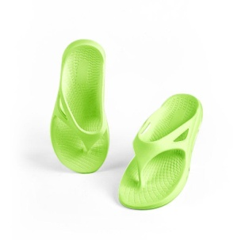 |  | 81
TK060204004GN7 |  |  | 7 |  |  | 136
TK060204004GN8 |  |  | 8 |  |  | 145
TK060204004GN9 |  |  | 9 |  |  | 155
TK060204004GN10 |  |  | 10 |  |  | 161
TK060204004GN11 |  |  | 11 |  |  | 149
TK060204004GN12 |  |  | 12 |  |  | 89
TK060204004PK6 | Straps EVA Women's Flip-flop | Pink | 6 |  |  | 59
TK060204004PK7 |  |  | 7 |  |  | 42
TK060204004PK8 |  |  | 8 |  |  | 58
TK060204004PK9 |  |  | 9 |  |  | 83
TK060204004PK10 |  |  | 10 |  |  | 126
TK060204004PK11 |  |  | 11 |  |  | 151
TK060204004PK12 |  |  | 12 |  |  | 82
TK060204005BE6 | Men's Slide Sandal | Blue | 6 | 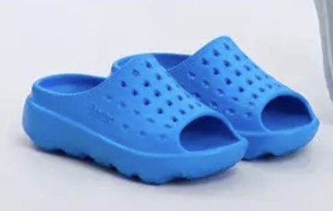 | 398
TK060204005BE7 |  |  | 7 |  | 374
TK060204005BE8 |  |  | 8 |  | 661
TK060204005BE9 |  |  | 9 |  | 790
TK060204005BE10 |  |  | 10 |  | 798
TK060204005BE11 |  |  | 11 |  | 394
TK060204005BE12 |  |  | 12 |  | 347
TK060204005BK6 | Men's Slide Sandal | Black | 6 | 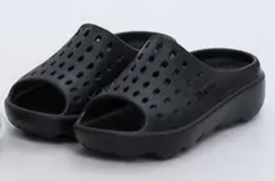 | 607 | 236
TK060204005BK7 |  |  | 7 |  | 637 | 297
TK060204005BK8 |  |  | 8 |  | 1359 | 221
TK060204005BK9 |  |  | 9 |  | 1468 | 383
TK060204005BK10 |  |  | 10 |  | 734 | 562
TK060204005BK11 |  |  | 11 |  | 447 | 503
TK060204005BK12 |  |  | 12 |  |  | 828
TK060204005GY6 | Men's Slide Sandal | Grey | 6 | 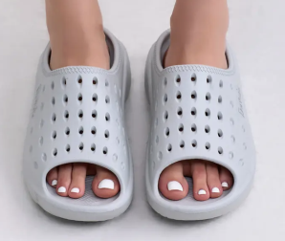 | 367 | 249
TK060204005GY7 |  |  | 7 |  | 512 | 262
TK060204005GY8 |  |  | 8 |  | 463 | 265
TK060204005GY9 |  |  | 9 |  | 272 | 433
TK060204005GY10 |  |  | 10 |  | 446 | 402
TK060204005GY11 |  |  | 11 |  | 207 | 329
TK060204005GY12 |  |  | 12 |  |  | 372

 |  |  |  |  | 21316 | 19455

